Demo Bid - DDD
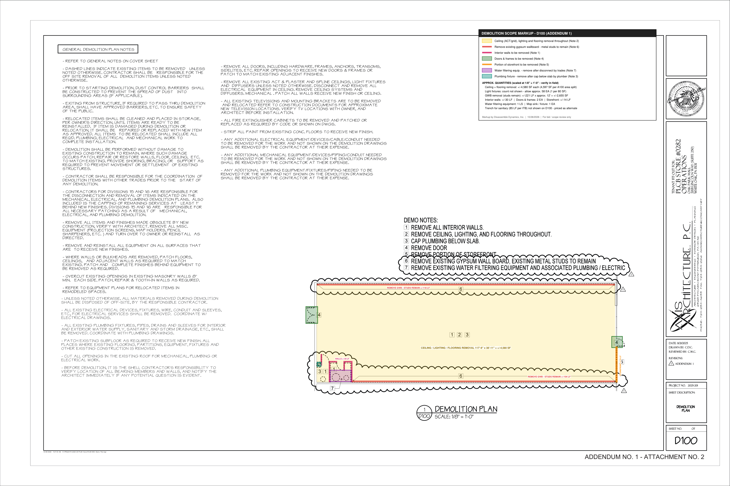
DISASSEMBLE DYNAMICS, INC. - DEMOLITION BID BREAKOUT
Fine Wine & Good Spirits (PLCB Store #0282) - Oak Park Mall, 2001 Lincoln Way Suite 250, White Oak PA 15131 | GC: Marco Contractors (Calle Barrett, job fw8840) | Axis Architecture D100 (Addendum 1 10/26/26) | PA PREVAILING WAGE (L&I Serial 26-09265)
Quantities scaled from Addendum 1 D100 at 1/8" = 1'-0" and A100 area split (4,597 SF) - see markup tabs. Existing ceiling, flooring and lighting types not shown - verify at walk. |  |  |  |  |  |  |  |  |  |  |  | DEMOLITION MARKUP - D100 (ADDENDUM 1)

# | Description | Ref | Qty | Unit | MH / Unit | MH | Labor $ | Equip / Rental $ | Disposal $ | Other $ | Direct $
BASE BID - INTERIOR DEMOLITION (D100 ADDENDUM 1)
D1 | Remove ceiling grid & tile throughout (Note 2) | D100 Note 2; Gen. Notes | 4,597 | SF | 0.012 | 55.2 | $3,011 | - | - | - | $3,011
D2 | Remove light fixtures throughout (approx. 1 per 80 SF) | D100 Note 2 | 58 | EA | 0.500 | 29.0 | $1,583 | - | - | - | $1,583
D3 | Remove flooring throughout (assumed carpet / VCT / resilient on slab) | D100 Note 2; A103 | 4,597 | SF | 0.010 | 46.0 | $2,509 | - | - | - | $2,509
D4 | Remove existing gypsum wallboard at demising walls - metal studs to remain (+/-221 LF x ~12') | Add. 1 Note 6 | 2,654 | SF | 0.014 | 37.2 | $2,028 | - | - | - | $2,028
D5 | Remove interior walls / closet partitions (+/-30 LF) | D100 Note 1 | 30 | LF | 0.300 | 9.0 | $491 | - | - | - | $491
D6 | Remove doors, frames & hardware (2 locations incl. rear pair) | D100 Note 4; A100 door 9 | 2 | EA | 3.000 | 6.0 | $328 | - | - | - | $328
D7 | Remove portion of storefront (+/-14 LF) | D100 Note 5 | 14 | LF | 1.000 | 14.0 | $764 | - | - | - | $764
D8 | Remove water filtering equipment & associated piping/conduit after disconnect by plumber/electrician | Add. 1 Note 7 | 1 | LS | 6.000 | 6.0 | $328 | - | - | - | $328
D9 | Remove mop sink / plumbing fixture after cap below slab by plumber | D100 Note 3 | 1 | EA | 2.000 | 2.0 | $109 | - | - | - | $109
D10 | Remove abandoned electrical devices, boxes & wiring back to nearest J-box | Gen. Demo Notes | 4,597 | SF | 0.003 | 13.8 | $753 | - | - | - | $753
D11 | Remove misc. equipment - TV brackets, fire extinguisher cabinets, owner items per direction | Gen. Demo Notes | 1 | LS | 6.000 | 6.0 | $328 | - | - | - | $328
D12 | Mall load-out via service corridor, protection of items to remain, daily clean & broom clean | Gen. Demo Notes | 1 | LS | 15.000 | 15.0 | $819 | - | - | - | $819
D13 | Ladders / baker scaffold / debris carts | - | 1 | LS | 0.000 | - | - | $400 | - | - | $400
D14 | Consumables - blades, bags, poly, PPE | - | 1 | LS | 0.000 | - | - | - | - | $500 | $500
D15 | Certified payroll / prevailing wage compliance | Addendum 1 | 1 | LS | 0.000 | - | - | - | - | $450 | $450
D16 | C&D disposal - 30 yd dumpsters | Gen. Demo Notes | 4 | PULL | 0.000 | - | - | - | $2,600 | - | $2,600
 | BASE BID - man-hours / crew-days |  |  |  |  | 239.1 | 5
 | Direct cost |  |  |  |  |  |  |  |  |  | $17,000
 | Lodging & per diem |  |  |  |  |  |  |  |  |  | $3,055
 | Contingency |  |  |  |  |  |  |  |  |  | $850
 | Profit ($/crew-day x crew-days) |  |  |  |  |  |  |  |  |  | $5,000
 | BASE BID TOTAL |  |  |  |  |  |  |  |  |  | $25,910

ALTERNATE #1 - STRIP PAINT / REMOVE MASTIC / GRIND CONCRETE FLOOR
A1.1 | Strip paint & remove mastic from existing concrete floor to receive new finish (sealer by others) | Gen. Demo Notes; A103 | 4,597 | SF | 0.015 | 69.0 | $3,764 | $1,400 | - | - | $5,164
A1.2 | C&D disposal | - | 1 | PULL | 0.000 | - | - | - | $650 | - | $650
 | ALT #1 - man-hours / crew-days |  |  |  |  | 69.0 | 2
 | Direct cost |  |  |  |  |  |  |  |  |  | $5,814
 | Lodging & per diem |  |  |  |  |  |  |  |  |  | $1,222
 | Contingency |  |  |  |  |  |  |  |  |  | $291
 | Profit ($/crew-day x crew-days) |  |  |  |  |  |  |  |  |  | $2,000
 | ALT #1 TOTAL |  |  |  |  |  |  |  |  |  | $9,330

ALTERNATE #2 - SANITARY TRENCH SAWCUT & SLAB REMOVAL (85 LF PER ITB)
A2.1 | Sawcut slab both sides of trench (85 LF x 2 sides) | ITB - concrete trench 85 LF | 170 | LF | 0.060 | 10.2 | $557 | $350 | - | - | $907
A2.2 | Break & remove trench slab (approx. 2' wide) - excavation & pour-back by others | ITB | 170 | SF | 0.050 | 8.5 | $464 | - | - | - | $464
A2.3 | Concrete disposal - 20 yd dumpster | - | 1 | PULL | 0.000 | - | - | - | $550 | - | $550
 | ALT #2 - man-hours / crew-days |  |  |  |  | 18.7 | 1
 | Direct cost |  |  |  |  |  |  |  |  |  | $1,921
 | Lodging & per diem |  |  |  |  |  |  |  |  |  | $611
 | Contingency |  |  |  |  |  |  |  |  |  | $96
 | Profit ($/crew-day x crew-days) |  |  |  |  |  |  |  |  |  | $1,000
 | ALT #2 TOTAL |  |  |  |  |  |  |  |  |  | $3,630

DEMOLITION BID SUMMARY
 | BASE BID |  |  |  |  |  | 5 |  |  |  | $25,910
 | ALT #1 |  |  |  |  |  | 2 |  |  |  | $9,330
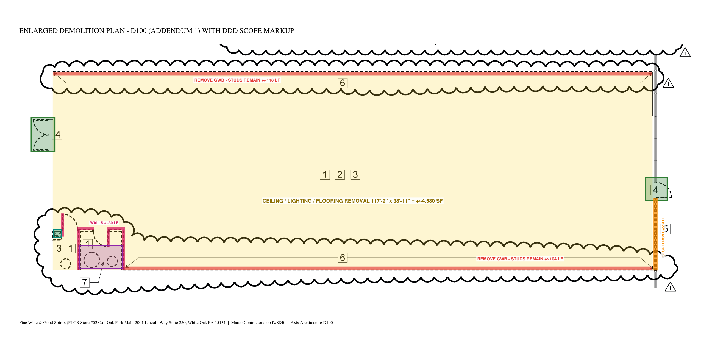
 | ALT #2 |  |  |  |  |  | 1 |  |  |  | $3,630
 | Base bid + all alternates (if accepted) |  |  |  |  |  |  |  |  |  | $38,870

EXPENSE BREAKDOWN BY COST TYPE
 | Section | Labor MH | Labor $ | Equipment $ | Disposal $ | Other / Consumables $ | Lodging & Per Diem $ | Contingency $ | Profit $ | Total $
 | BASE BID | 239.1 | $13,050 | $400 | $2,600 | $950 | $3,055 | $850 | $5,000 | $25,910
 | ALT #1 | 69.0 | $3,764 | $1,400 | $650 | - | $1,222 | $291 | $2,000 | $9,330
 | ALT #2 | 18.7 | $1,021 | $350 | $550 | - | $611 | $96 | $1,000 | $3,630
 | % of base bid |  | 50.4% | 1.5% | 10.0% | 3.7% | 11.8% | 3.3% | 19.3% | 100.0%

